Sheet1
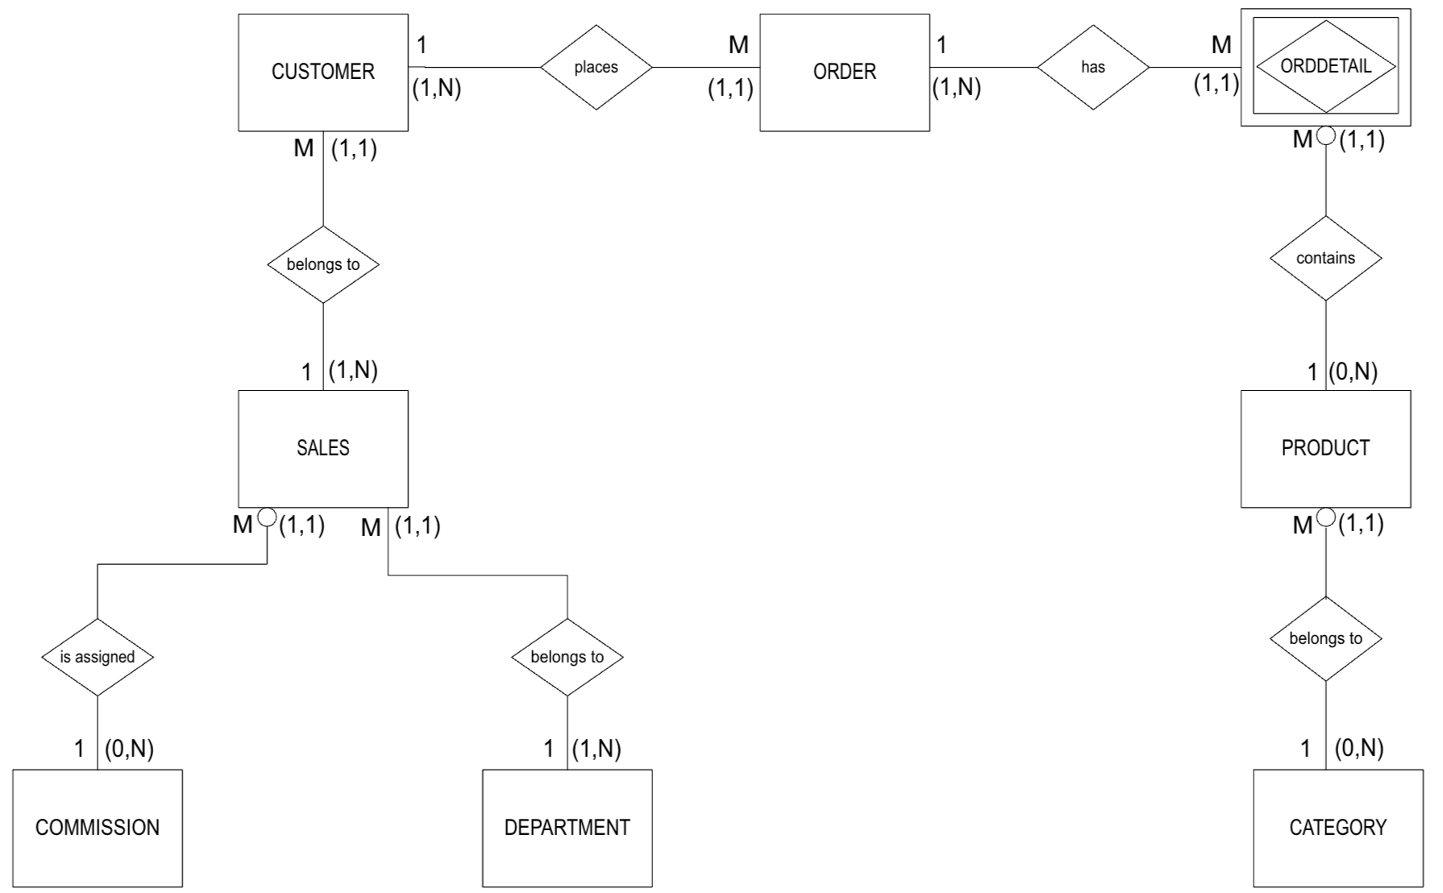
Order ID | Order Date | Cust ID | Cust FName | Cust LName | Cust Phone | Sales Rep ID | Sales Rep FName | Sales Rep LName | Comm Class | Comm Rate | Dept ID | Dept Name | Prod ID | Prod Name | Prod Cat ID | Prod Cat Name | Prod Qty | Prod Price
100 | 1/24/22 | S100 | John | Smith | 214-555-1212 | 10 | Alice | Jones | A | 0.1 | 10 | Store Sales | 121 | BD Hammer | 1 | Hand Tools | 2 | $8.00
100 | 1/24/22 | S100 | John | Smith | 214-555-1212 | 10 | Alice | Jones | A | 0.1 | 10 | Store Sales | 228 | Makita Power Drill | 2 | Power Tools | 1 | $65.00
100 | 1/24/22 | S100 | John | Smith | 214-555-1212 | 10 | Alice | Jones | A | 0.1 | 10 | Store Sales | 480 | 1# BD Nails | 4 | Fasteners | 2 | $3.00
100 | 1/24/22 | S100 | John | Smith | 214-555-1212 | 10 | Alice | Jones | A | 0.1 | 10 | Store Sales | 407 | 1# BD Screws | 4 | Fasteners | 1 | $4.25
101 | 1/25/22 | A120 | Jane | Adams | 817-555-3434 | 12 | Greg | Taylor | B | 0.08 | 14 | Corp Sales | 610 | 3M Duct Tape | 6 | Misc | 200 | $1.75
101 | 1/25/22 | A120 | Jane | Adams | 817-555-3434 | 12 | Greg | Taylor | B | 0.08 | 14 | Corp Sales | 618 | 3M Masking Tape | 6 | Misc | 100 | $1.25
102 | 1/25/22 | J090 | Tim | Jones |  | 14 | Sara | Day | Z | 0 | 10 | Store Sales | 380 | Acme Yard Stick | 3 | Measuring Tools | 2 | $1.25
102 | 1/25/22 | J090 | Tim | Jones |  | 14 | Sara | Day | Z | 0 | 10 | Store Sales | 121 | BD Hammer | 1 | Hand Tools | 1 | $7.00
102 | 1/25/22 | J090 | Tim | Jones |  | 14 | Sara | Day | Z | 0 | 10 | Store Sales | 535 | Schlage Door Knob | 5 | Hardware | 4 | $7.50
103 | 1/26/22 | B200 | Ann | Brown | 972-555-7979 | 8 | Kay | Price | C | 0.05 | 14 | Corp Sales | 121 | BD Hammer | 1 | Hand Tools | 50 | $7.00
103 | 1/26/22 | B200 | Ann | Brown | 972-555-7979 | 8 | Kay | Price | C | 0.05 | 14 | Corp Sales | 123 | Acme Pry Bar | 1 | Hand Tools | 20 | $6.25
104 | 1/26/22 | S100 | John | Smith | 214-555-1212 | 10 | Alice | Jones | A | 0.1 | 10 | Store Sales | 229 | BD Power Drill | 2 | Power Tools | 1 | $50.00
104 | 1/26/22 | S100 | John | Smith | 214-555-1212 | 10 | Alice | Jones | A | 0.1 | 10 | Store Sales | 610 | 3M Duct Tape | 6 | Misc | 200 | $1.75
104 | 1/26/22 | S100 | John | Smith | 214-555-1212 | 10 | Alice | Jones | A | 0.1 | 10 | Store Sales | 380 | Acme Yard Stick | 3 | Measuring Tools | 2 | $1.25
104 | 1/26/22 | S100 | John | Smith | 214-555-1212 | 10 | Alice | Jones | A | 0.1 | 10 | Store Sales | 535 | Schlage Door Knob | 5 | Hardware | 4 | $7.50
105 | 1/26/22 | B200 | Ann | Brown | 972-555-7979 | 8 | Kay | Price | C | 0.05 | 14 | Corp Sales | 610 | 3M Duct Tape | 6 | Misc | 200 | $1.75
105 | 1/26/22 | B200 | Ann | Brown | 972-555-7979 | 8 | Kay | Price | C | 0.05 | 14 | Corp Sales | 123 | Acme Pry Bar | 1 | Hand Tools | 40 | $5.00
106 | 1/27/22 | G070 | Kate | Green | 817-555-1034 | 20 | Bob | Jackson | B | 0.08 | 10 | Store Sales | 124 | Acme Hammer | 1 | Hand Tools | 1 | $6.50
107 | 1/27/22 | J090 | Tim | Jones |  | 14 | Sara | Day | Z | 0 | 10 | Store Sales | 229 | BD Power Drill | 2 | Power Tools | 1 | $59.00
108 | 1/27/22 | S120 | Nicole | Sims |  | 22 | Micah | Moore | Z | 0 | 16 | Web Sales | 235 | Makita Power Drill | 2 | Power Tools | 1 | $65.00

1C. | Table Structure for 1NF

ORDDETAIL (OrderID, ProdID, OrderDate, CustID, CustFName, CustLName, CustPhone, SalesRepID, SalesRepFName, SalesRepLName,
 | CommClass, CommRate, DeptID, DeptName, ProdName, ProdCatID, ProdCatName, ProdQty, ProdPrice)

1D. | Dependency Diagram for 1NF

2A. | Table Structure for 2NF

 | ORDDETAIL (OrderID, ProdID, ProdQty, ProdPrice)
 | PRODUCT (ProdID, ProdName, ProdCatID, ProdCatName)
 | ORDER (OrderID, OrderDate, CustID, CustFName, CustLName, CustPhone, SalesRepID, SalesRepFName, SalesRepLName, CommClass, CommRate, DeptID, DeptName)

2B. | Dependency Diagram for 2NF
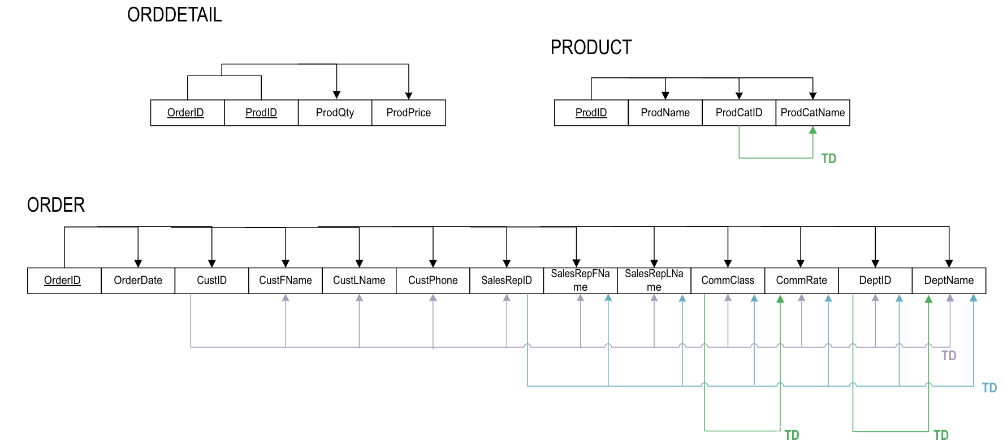

3A. | Table Structure Format for 3NF

 | ORDDETAIL (OrderID, ProdID, ProdQty, ProdPrice)
 | PRODUCT (ProdID, ProdName, ProdCatID)
 | CATEGORY (ProdCatID, ProdCatName)
 | ORDER (OrderID, OrderDate, CustID)
 | CUSTOMER (CustID, CustFName, CustLName, CustPhone, SalesRepID)
 | SALES (SalesRepID, SalesRepFName, SalesRepLName, CommClass, DeptID)
 | COMMISSION (CommClass, CommRate)
 | DEPARTMENT (DeptID, DeptName)

3B. | Dependency Diagram for 3NF

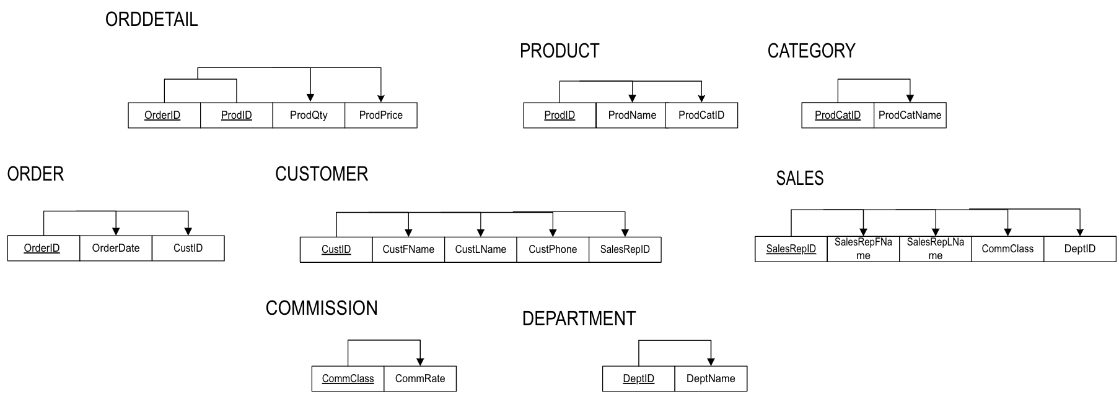

 |  | 4A. | Relational Schema for 3NF
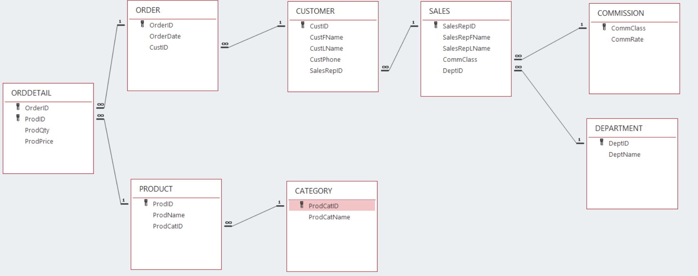

4B. | Entity Relationship Diagram for 3NF

